Catalog Report
Screen2

Sr No. | Image | Product Name | Internal Reference | Product Type | Category | UOM | Price | Description

1 | 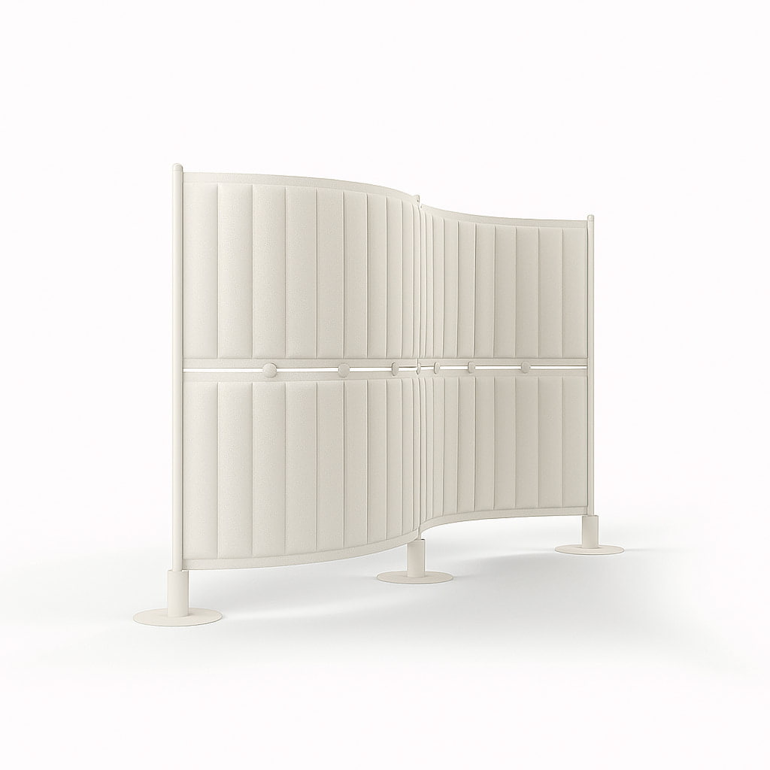 | [FURN_6666] Acoustic Bloc Screens (White) | FURN_6666 | Goods | Office | Units | 295 | Acoustic Bloc Screens are soundproofing solutions designed to minimize noise pollution and improve acoustic performance in various spaces. These screens are typically used in environments where sound control is essential, such as open-plan offices, recording studios, manufacturing areas, or any location where high noise levels can be disruptive.
2 | 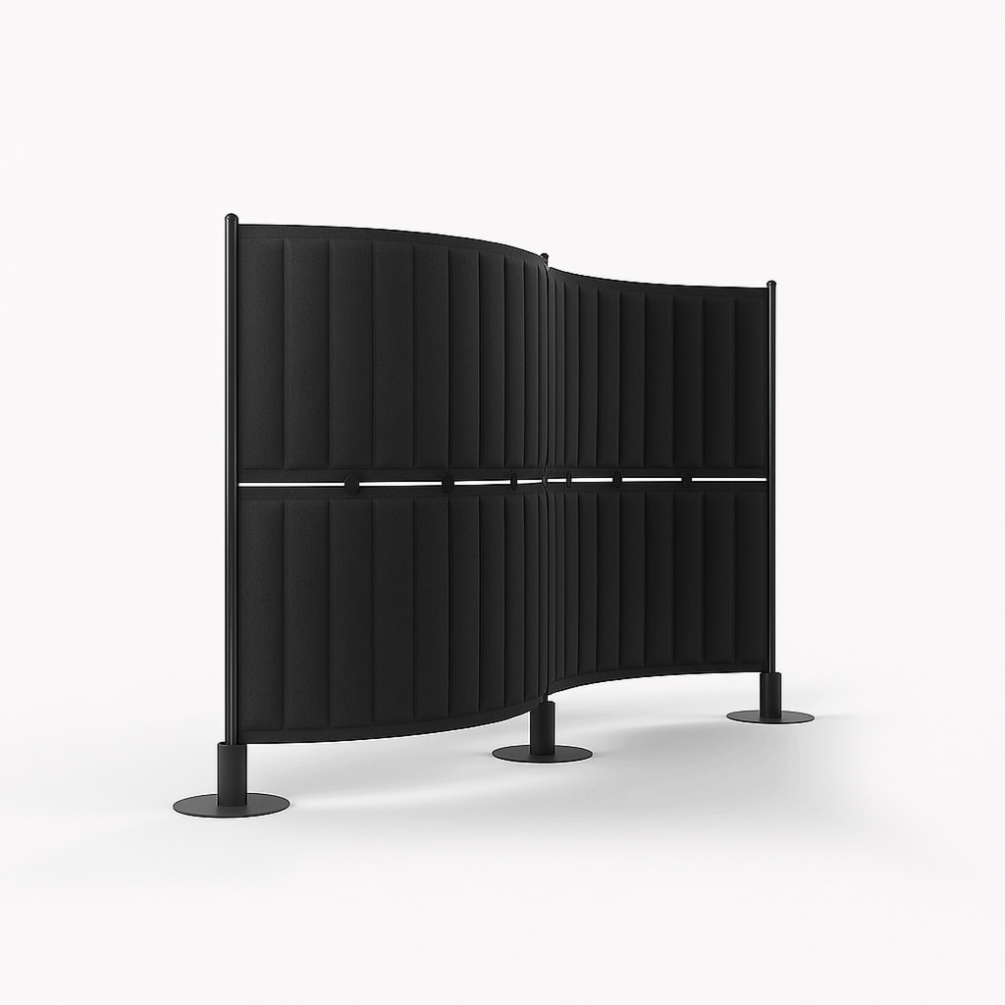 | [FURN_6667] Acoustic Bloc Screens (Black) | FURN_6667 | Goods | Office | Units | 295 | Acoustic Bloc Screens are soundproofing solutions designed to minimize noise pollution and improve acoustic performance in various spaces. These screens are typically used in environments where sound control is essential, such as open-plan offices, recording studios, manufacturing areas, or any location where high noise levels can be disruptive.

